Graphical approach
AldgetCo problem
Let g = number of gadgets to be produced
Let w = number of widgets to be produced
I used 6 gadgets and 6 widgets as a starting point, but we could do better i.t.o. profit, as we saw with the graphical analysis. See if you can find the optimal solution using the isoprofit line and corner point methods.
 | x | y
Decision variables | g | w | max (z)
Objective function coefficients | 4 | 3 | 42
number of | 6 | 6

subject to: |  |  |  |  | RHS | Slack
Artisan hours | 2 | 4 | 36 | <= | 40 | 4
Paint litres | 1 | 1 | 12 | <= | 12 | 0
Plastic kg's | 6 | 2 | 48 | <= | 60 | 12

Corner point approach: evaluate profit at each of the 5 corner points: |  |  |  |  |  |  | Using isoprofit line: last extreme point before we exit the feasible region is at (g=9; w=3)
 |  |  |  |  |  |  | Maximum profit at this point (given constraints) = 45
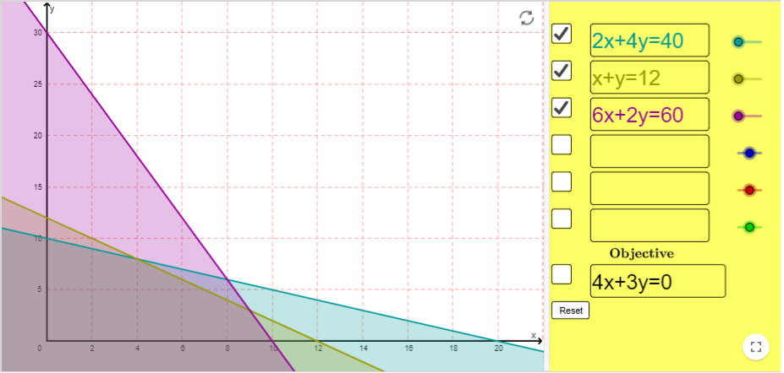
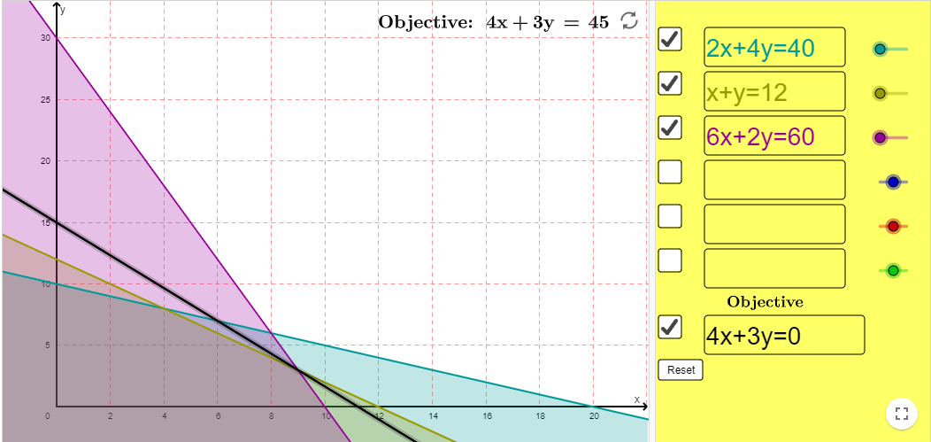

Points: | g | w | profit
a (0;0) | 0 | 0 | 0
b (0;10) | 0 | 10 | 30
c (4;8) | 4 | 8 | 40
d (9;3) | 9 | 3 | 45
e (10;0) | 10 | 0 | 40

Using solver
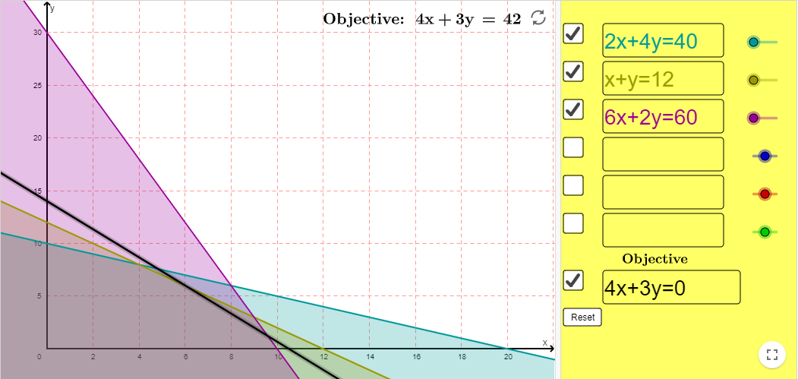
AldgetCo problem
Let g = number of gadgets to be produced
Let w = number of widgets to be produced
I used 6 gadgets and 6 widgets as a starting point, but we could do better i.t.o. profit, as we saw with the graphical analysis. See if you can also find the optimal solution using the Solver add-in.
 | x | y
Decision variables | g | w | max (z)
Objective function coefficients | 4 | 3 | 45
number of | 9 | 3

subject to: |  |  |  |  | RHS | Slack
Artisan hours | 2 | 4 | 30 | <= | 40 | 10
Paint litres | 1 | 1 | 12 | <= | 12 | 0
Plastic kg's | 6 | 2 | 60 | <= | 60 | 0

G+W+P
Say we can produce a 3rd product - puzzles. We will make R5 profit on every puzzle sold.
Resources consumed to make one puzzle is as follows:
resources units amount
artisan (h) 3
paint (l) 2
plastic (kg) 5
Should we produce puzzles as well?
AldgetCo problem
 |  |  |  |  |  |  |  |  | Shadow
 |  |  |  |  |  |  |  | Name | Price | require
 |  |  |  |  |  |  |  | Artisan hours max (z) | 0 | 3
 |  |  |  |  |  |  |  | Paint litres max (z) | 2.5 | 2
 |  |  |  |  |  |  |  | Plastic kg's max (z) | 0.25 | 5
 |  |  |  |  |  |  |  | cost for one puzzle | 6.25
 |  |  |  |  |  |  |  | profit for one puzzle | 5
 |  |  |  |  |  |  |  | net profit | -1.25
Let g = number of gadgets to be produced
Let w = number of widgets to be produced

 | x | y
Decision variables | g | w | p | max (z)
Objective function coefficients | 4 | 3 | 6.25 | 45
number of | 8.5714285714 | 0 | 1.7142857143

subject to: |  |  |  |  |  | RHS | Slack
Artisan hours | 2 | 4 | 3 | 22.285714286 | <= | 40 | 17.714285714
Paint litres | 1 | 1 | 2 | 12 | <= | 12 | 0
Plastic kg's | 6 | 2 | 5 | 60 | <= | 60 | 0

